grain size analysis
* grain-size distribution of bed material (2007) _ BM-54
 | Passing Percentage (%)
체 크기 sieve size (mm) | 16 | 8 | 4 | 2 | 1 | 0.5 | 0.25 | 0.125 | 0.0625 | Pan
평균 (mean) | 100 | 96.85 | 93.35 | 89.7 | 80.05 | 56.2 | 19.55 | 8.7 | 4.15 | 1.9
before the flood (2007)
after the flood (2007)
mean
percent passing(%)
particle size (mm)
particle size time | D35(mm) | D50(mm) | D65(mm) | D90(mm) | 균등계수 Coefficient of uniformity (Cu) | 곡률계수 Coefficient of curvature (Cg)
홍수전 (before the flood) | 0.36 | 0.46 | 0.70 | 2.49 | 4.47 | 1.33
홍수후(after the flood ) | 0.37 | 0.47 | 0.67 | 2.09 | 3.76 | 1.27

* grain-size distribution of bed material (2008) _ BM-54, Grab sampler(60L)
 | Passing Percentage (%)
체 크기 sieve size (mm) | 16 | 8 | 4 | 2 | 1 | 0.5 | 0.25 | 0.125 | 0.0625 | Pan
홍수 전 평균 (mean_before the flood) | 100 | 91.3 | 87 | 85.1 | 80.5 | 60 | 19.4 | 6.6 | 2.4 | 0.8
홍수 후 평균 (mean_before the flood) | 100 | 86.7 | 80.7 | 74.8 | 66.1 | 43 | 7.7 | 1.8 | 0.9 | 0.4
before the flood (2008)
after the flood (2008)
mean
percent passing(%)
particle size (mm)
particle size time | D35(mm) | D50(mm) | D65(mm) | D90(mm) | 균등계수 Coefficient of uniformity (Cu) | 곡률계수 Coefficient of curvature (Cg)
홍수전 (before the flood) | 0.34 | 0.43 | 0.55 | 6.74 | 2.83 | 0.90
홍수후(after the flood ) | 0.46 | 0.62 | 0.98 | 10.00 | 2.83 | 0.79

* grain-size distribution of bed material (2013) _ grid sampling(Hack_1947)

* particle size distribution of suspended sediment (2013)_Laser Diffraction |  |  |  |  |  |  |  |  |  |  | * grain-size distribution of bed material (2013)_Sieve

No | particle size distribution of suspended sediment (%) |  |  |  |  |  |  |  |  |  | particle size time | D10 | D30 | D35 | D60 | D65 | 균등계수 Coefficient of uniformity (Cu) | 곡률계수 Coefficient of curvature (Cg)
 | range (mm) |  |  |  |  |  |  |  |  |  | 홍수전 (before the flood) | 0.49 | 0.78 | 0.86 | 1.93 | 2.40 | 3.96 | 0.66
 | 0.0020~ | 0.063~ | 0.126~ | 0.26~ | 0.51~ | 1.1~ | 2.1~ | 4.1~ |  |  | 홍수후(after the flood ) | 0.25 | 0.71 | 0.78 | 1.78 | 2.05 | 7.13 | 1.15
 | 0.062 | 0.125 | 0.25 | 0.5 | 1 | 2 | 4 | 8 |  |  | 평균 (mean) | 0.37 | 0.75 | 0.82 | 1.85 | 2.23 | 5.54 | 0.90
1 | 72.51 | 20.96 | 5.32 | 0.24 | 0 | 0 | 0 | 0 |  |  | particle size time | D5 | D10 | D15 | D20 | D25 | D30 | D35 | D40 | D45 | D50 | D55 | D60 | D65 | D70 | D75 | D80 | D85 | D90 | D95 | D100
2 | 80.66 | 14.12 | 4.08 | 0.18 | 0 | 0 | 0 | 0 |  |  | 홍수전 (before the flood) | 0.26 | 0.49 | 0.57 | 0.65 | 0.71 | 0.78 | 0.86 | 0.94 | 1.04 | 1.35 | 1.64 | 1.93 | 2.40 | 3.02 | 3.52 | 4.58 | 6.91 | 9.45 | 12.65 | 16.00
3 | 76.16 | 10.22 | 1.38 | 0.17 | 2.08 | 6.19 | 2.87 | 0 |  |  | 홍수후 (after the flood ) | 0.33 | 0.25 | 0.52 | 0.58 | 0.65 | 0.71 | 0.78 | 0.86 | 1.00 | 1.25 | 1.51 | 1.78 | 2.05 | 2.73 | 3.45 | 4.54 | 6.91 | 9.45 | 12.65 | 16.00
4 | 72.33 | 6.3 | 1.67 | 0.29 | 2.33 | 9.73 | 4.18 | 0 |  |  | 평균 (mean) | 0.30 | 0.37 | 0.55 | 0.61 | 0.68 | 0.75 | 0.82 | 0.90 | 1.02 | 1.30 | 1.57 | 1.85 | 2.23 | 2.87 | 3.49 | 4.56 | 6.91 | 9.45 | 12.65 | 16.00
5 | 76.41 | 6.63 | 1.52 | 0.25 | 1.57 | 7.21 | 3.73 | 0
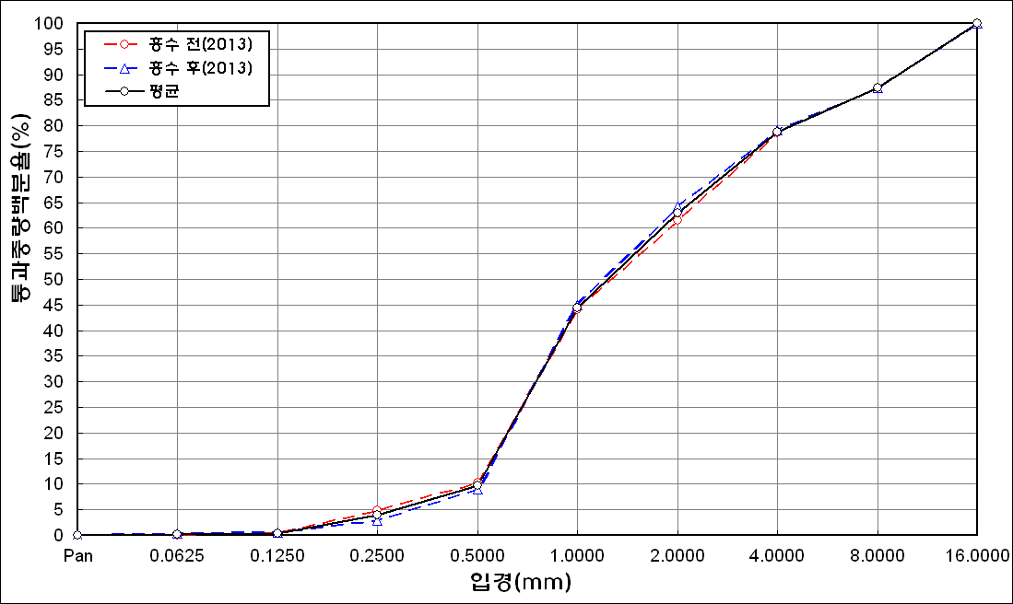
before the flood (2013)
after the flood (2013)
mean
percent passing(%)
particle size (mm)
6 | 82.96 | 9.07 | 3.41 | 0.55 | 0.02 | 0.82 | 0.48 | 0
7 | 85 | 8.78 | 3.3 | 0.1 | 0 | 0 | 0 | 0
8 | 85.45 | 9.43 | 2.51 | 0 | 0 | 0 | 0 | 0
9 | 87.51 | 7.81 | 1.9 | 0.13 | 0 | 0 | 0 | 0
10 | 86.16 | 9.53 | 1.61 | 0 | 0 | 0 | 0 | 0
11 | 87.07 | 7.61 | 1.95 | 0.39 | 0.29 | 0 | 0 | 0
12 | 90.41 | 6.27 | 0.81 | 0 | 0 | 0 | 0 | 0
mean | 81.89 | 9.73 | 2.46 | 0.19 | 0.52 | 2 | 0.94 | 0

